Sheet1
FOB Toronto,ON.

LADIES KED SOCKS - 7 PACK
SIZING: 6-10
COLOURS: BLACK/ OFF WHITE
CASE PACK:32 (inners 4)
(all subject to final count at time of sale - subject to prior sale)
MSRP $22.00

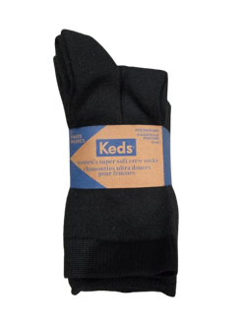
PICTURE | D E S C R I P T I O N | STYLE |  | COLOUR | UPC | SIXE | TOTAL | PCS/ | TOTAL | OFFER PRICE
 |  | # |  |  |  |  | PCS | BOX | BOXES
 | LADIES KED SOCK | KEDWHSR088 | 7 pk Ultra Soft Crew | BLACK | 629075108970 | ladies 6-10 | 7360 | 4/innner, 32/carton | 230
 | 7 PACK | KEDW223 | 7 pk Ultra Soft Rib Crew | OFF WHITE | 629075128206 | ladies 6-10 | 4640 | 4/innner, 32/carton | 145
 | MSRP $22.00 | KEDW224 | 7 pk Ultra Soft Rol Top Crew | BLACK | 629075132838 | ladies 6-10 | 4,224 | 4/innner, 32/carton | 132
 | 98% POLYESTER/2% SPANDEX
 | Made In China
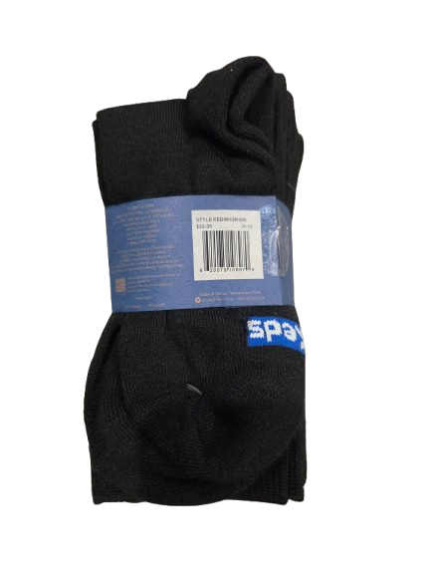

 |  |  |  |  |  |  | 16,224 |  | 507 | $3.65

